Sheet1
Name |  |  |  | Offcuts Required | No
E-mail |  |  |  | Delivery Method | Collection
Mobile Number
Invoice Address |  |  |  | Delivery Address

Project Name |  | 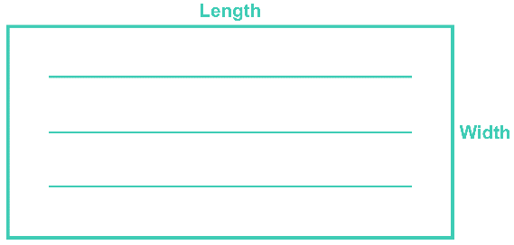 |  |  | Please send back to info@cutmdf.com for quotation

 |  |  |  |  | Edgebanding
 |  | Length will run with grain |  |  | Use "X" to Indicate Edged Side - Example below is edged on lengths only
Panel Name | Material | Length (mm) | Width (mm) | Quantity | Length 1 | Length 2 | Width 1 | Width 2 | Bonding | Notes
Door | Egger U999 Perfect Sense Matt 19mm | 2400 | 650 | 2 | X | X |  |  | None

